Summary
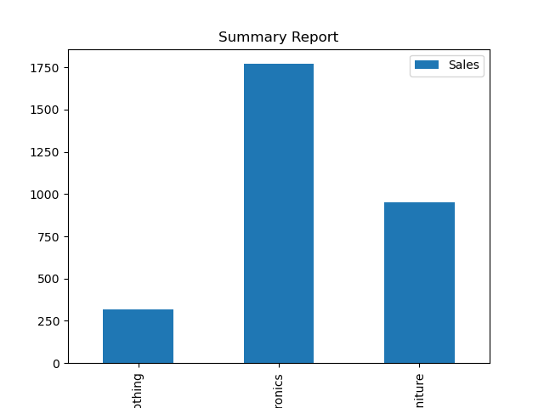
Category | Sales
Clothing | 320
Electronics | 1770
Furniture | 950

